Sheet1
 |  |  |  |  |  | SD360_VER1.5 ( 2015/10/16 Update)
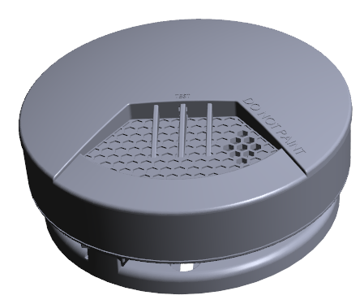
 |  |  |  |  | Detector Type | Single Station Smoke Detector
 |  |  |  |  | Battery Power | Rating Voltage: DC 3V for lithium battery
 |  |  |  |  | Sensitivity & Alarm Pattern UL217 | 1.31%/ft ~ 2.28%/ft ; Temporal Three Pattern
 |  |  |  |  | Sensitivity & Alarm Pattern EN14604 | 0.091dB/m ~ 0.149dB/m ; Temporal Three Pattern
 |  |  |  |  | Smoke Sensitivity UL268 | recongize component
 |  |  |  |  | Heat Sensitivity-UL217 | 57℃ ~ 65 ℃ (136℉~149℉) ; Temporal Three Pattern
 |  |  |  |  | Heat Sensitivity-EN 54-5 | A2S：54℃ ~ 70℃ ; Temporal Three Pattern
 |  |  |  |  | Standby Current | SD360: Max. 15 uA(EN)/25 uA(UL) RF module: Max. 10 uA
 |  |  |  |  | Start Current | Max. 3.5mA
 |  |  |  |  | Alarm Current | SD360: Max. 100 mA RF module: Max. 60 mA
 |  |  |  |  | Relative Humidity | 10% to 85%RH
 |  |  |  |  | ﻿Operate Temperature | 0℃ ~ 49℃ (32℉~120℉)
 |  |  |  |  | Dimensions | (Diameter)120 mm x (Depth)53 mm

 |  |  |  |  | Model | Battery Type | Sensor Type | Function | Certification
 |  |  |  |  | SD360 A1 | DL123A/DURACELL | S | NA | VdS
 |  |  |  |  |  | CR123A/PANASONIC
 |  |  |  |  | SD360 A3 | CR17450E-R/FDK | S | NA | VdS
 |  |  |  |  | SD360 B1 | DL123A/DURACELL | S | T+RF | UL & VdS
 |  |  |  |  |  | CR123A/PANASONIC
 |  |  |  |  | SD360 B2 | CR17335E-R/FDK | S | T+RF | UL
 |  |  |  |  | SD360 B3 | CR17450E-R/FDK | S | RF | UL & VdS
 |  |  |  |  | SD360 B1H | DL123A/DURACELL | S + H | T+RF | UL & VdS
 |  |  |  |  |  | CR123A/PANASONIC
 |  |  |  |  | SD360 B2H | CR17335E-R/FDK | S + H | T+RF | UL
 |  |  |  |  | SD360 B3H | CR17450E-R/FDK | S + H | RF | UL & VdS
 |  |  |  |  | S=Smoke, H=Heater, T=Tamper, RF= RF 6-PIN Connector

SD360_v1.5 is capable of connecting 6-PIN connector to be integrated with 1. RF module
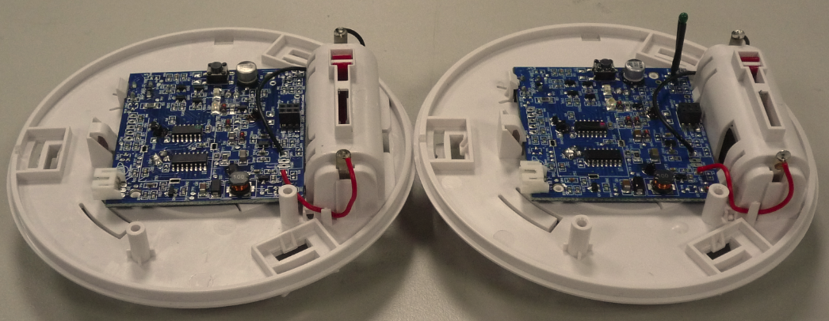
 |  |  |  |  |  | PCB : SD360_ver 1.5
 |  |  |  |  |  | MCU program : Sd360_ver15
 |  |  |  |  |  | Plastic color : RAL9003
 |  |  |  |  |  | UL plastic material : PA-765A
 |  |  |  |  |  | EN plastic material : PA-707
 |  |  |  |  |  | Test-Key material : PC-1225
 |  |  |  |  |  | Battery latch material : PC-IRY2200

PIN 3 : GND
PIN 4 : STANDBY
 |  |  |  |  |  | 6 PIN Voltage output value when signal is triggered :
 |  |  |  |  |  | PIN 1 ( RF TEST ) : 2.45±0.05 V
 |  |  |  |  |  | PIN 2 ( Power ) : 3 V
PIN 2 : POWER
PIN 5 : ALARM
 |  |  |  |  |  | PIN 3 ( GND ) : 0 V
PIN 1 : TEST
PIN 6 : ERROR
 |  |  |  |  |  | PIN 4 ( Standby ) : 2.45±0.05 V
 |  |  |  |  |  | PIN 5 ( Alarm ) : 2.45±0.05 V
 |  |  |  |  |  | PIN6 (Error ) : 2.45±0.05 V
PIN 1： | TEST | - Test signal to / from RF
PIN 2： | POWER | - Supply Battery Power Voltage
PIN 3： | GND
PIN 4： | STANDBY | - Red LED flashes once every 344 secs after power on.
 |  | - The Red LED will flashes once every 10.7 secs after push test-key.
PIN 5： | ALARM | - Buzzer beeps three times , red LED flashes continuously , Alarm signal will pull High when SD360 alarm.
 |  | - Interconnect Function.
PIN 6： | ERROR | - Including Malfunction / Low battery / Tamper /EOL signal ( only 10-year model)
 |  | - Malfunction : Yellow LED flashes 3 times and buzzer beeps 3 times in 43 seconds
 |  | - Low battery : Buzzer chirps once in 43 secs with yellow LED flashing
 |  | - Tamper : When bracket is removed from detector , the yellow LED is steadily on and buzzer sounds temporaly until
 |  | the detector is mounted back to the bracket .The dectector will be also alarmed if the detector is not mounted in the bracket
 |  | within 3 minutes until the bracket is mounted.
 |  | -EOL (only 10-year model)：After 10 years of operation, an audible indication will be given that the detector should be replace.
 |  | Yellow LED flashes 3 times and buzzer beeps 3 times in 43 seconds

DC 3V for lithium battery specification form
Model | SD360 A1/B1/B1H |  |  | SD360 B2/B2H |  | SD360 A3/B3/B3H
Battery | DL123A |  | CR123A | CR17335E-R |  | CR17450E-R
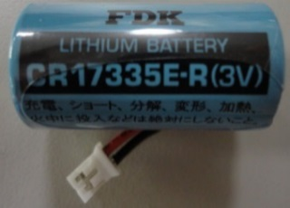
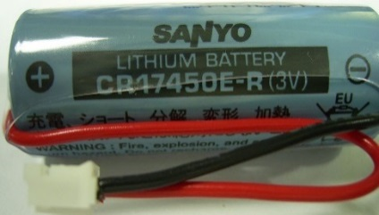
Photo

Manufacturer | DURACELL |  | PANASONIC | FDK |  | FDK
Capacity | 1400 mAh |  |  | 1600 mAh |  | 2400 mAh
Dimension | 17*34.2 mm |  |  | 17*33.5 mm |  | 17*45 mm
Weight | 17g |  |  | 17g |  | 21g
Low Battery | 2.6 ~ 2.7 V
batterylife Calculate | 5 years |  |  | 7 years |  | 10 years
batterylife Guarantee | 3 years |  |  | 5 years |  | 8 years
Remark | ZB0090-00072 |  | ZB0090-00075 | ZB0090-01000 |  | ZB0090-10800/ZB0090-10801
 | with battery contacts |  |  | wire with connector |  | wire with connector
RF alarm current | Max. : 60mA
Batterylife Wtih RF Calculate | 3 years |  |  | 4 years |  | 6 years
Batterylife Wtih RF Guarantee | 1 years |  |  | 2 years |  | 4 years

PS1. Only Use PANASONIC CR123A for ETL |  |  |  | PS2. Ensure that the battery in the normal temperature of 15 degrees to 35 degrees above Year

PIN4_ Standby : Red LED will be flash once every 344 seconds after power on, it indicates the detector is under normal operation
 | The red LED will flashes once 10.7 seconds after push Test-Key , it indicates the dectector is under reduce sensitivity mode.
 | Reduced Sensitivity Mode will be releaved after 10 minute or push test-key again
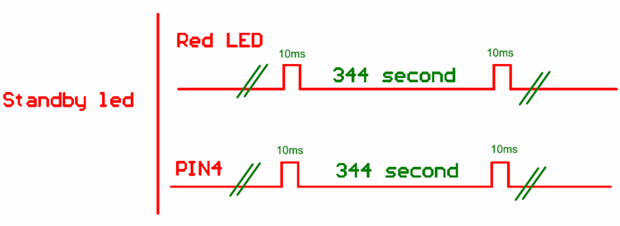

PIN5_ Smoke Alarm Mode : When smoke detector senses smoke, the buzzer sounds an audible alarm with 3 beeps , pause 1.5 secs, then 3 beeps.
 |  | The red LED will flash continuously and rapidly and PIN5 will be Pull high 2.45±0.05V.

PIN5_ Heat _Alarm_Mode : When dectector senses heat above 57~65 degree PIN5/PIN4 will be high 2.45±0.05V and simultaneously sounds an
 |  | audible alarm with 3 beeps, pause and 3 beeps.TheYellow LED will flash continuously and rapidly.
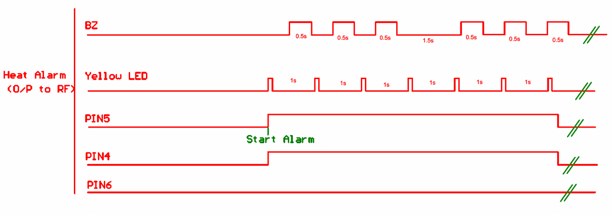

PIN6_Malfunction mode : If the smoke alarm beeps three with Yellow LED flashing three times every 43 second,it indicates the smoke alarm is not
 |  | working properly , it requires to be repaired or serviced.
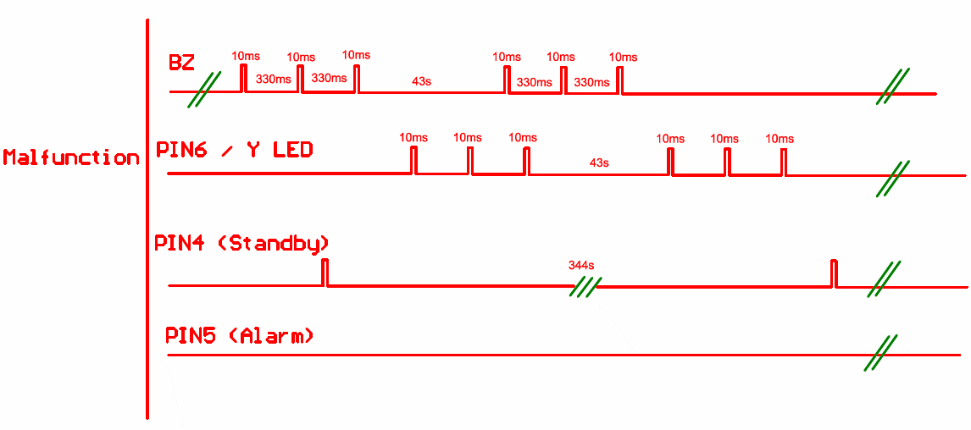

PIN6_Low battery: PIN4/Red LED flashes 344 second, the buzzer chirps once in 43 secs with yellow LED/PIN6 flashing
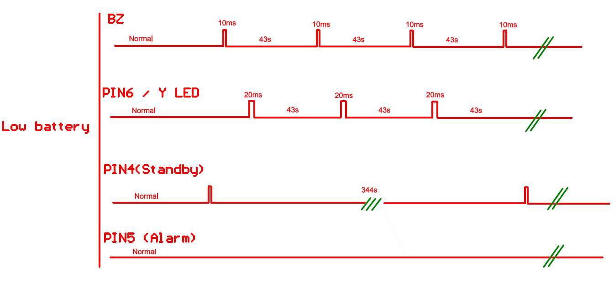
LOW BATTERY
WARNING SIGNAL
If the alarm horn begins to chirp once in 43 seconds with yellow LED flashing,this signal means that the smoke alarm's battery is weak. This low battery warming signal should last for up to 30 day, but you should replace the battery immediately to secure your protection

PIN6_Power On Mode : The red LED blinks when battery is installed first time. After detector is mounted into bracket, it takes around 2~4 secs to
 |  | have buzzer beep and yellow LED flash. If detector is removed from the bracket , the tamper mode will be triggered
 |  | immediately seen as tamper mode.

PIN 6_Tamper mode : Yellow LED will be steadily on, the output of PIN6 is High ; buzzer will beep in loud temporal sound and the output of PIN 6
 |  | is HIGH when the detector is removed from mounting plate.
TAMPER SWITCH FEATURE:
After the battery is installed, the loud temporal sound will be triggered in 3 minutes if the smoke alarm is not mounted into the bracket properly. However,the loud temporal sound will be triggered as the smoke alarm is removed from the bracket after Power on. The loud temporal sound will only stop when the smoke alarm is installed back to the bracket.

TESTING YOUR SMOKE
ALARM:Test the alarm weekly by pushing firmly on the test button with your finger for around 1 seconds until the horn sounds, the sound pattern is 3 beeps, with red LED flashing continuously and rapidly.
The smoke alarm is not beeps and red LEd is not flashing after push test key, it indicates the smoke alarm is not working properly, it requires to be repaired or serviced.
The smoke alarm is beeps three and RED-LED will be steadily on after push test key, it indicates the smoke alarm is in lowbattery mode.
If you suspect that your smoke alarm does not go into alarm ,test it by pressing the test button with your finger to ensure if it works properly.
TEST Mode : After pressing test button , the buzzer sounds and red LED flashes contiously
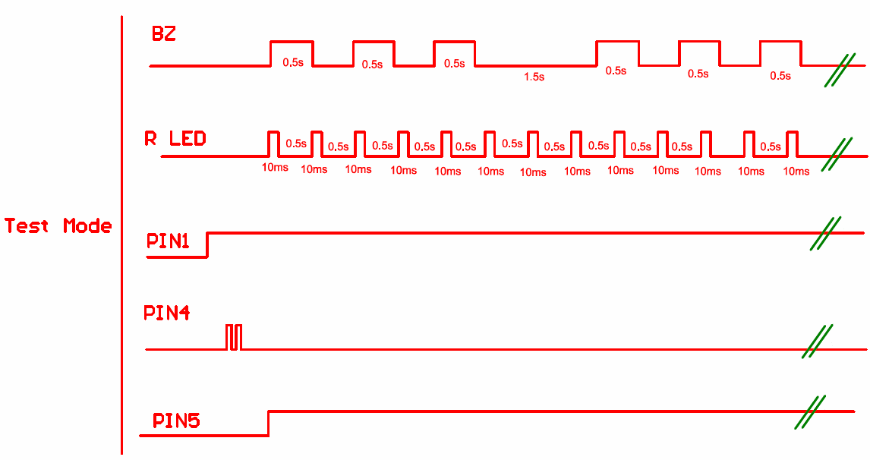

USING THE SILENCE
FEATURE:
The silence feature can temporarily quite an alarm for up to 10 minutes. To use this feature, press test/silence button on the cover when it alarm .
However ,if the RF output a Pulse to PIN1 after 10 minutes of silence, the unit will re-alarm immediately if smoke density still exist.
※When the smoke density exceeds about 4 % / ft measured silence-key will lapse, Smoke detector will re-alarm immediately.
Silence Mode: When the alarm is sounding , pressing the silence button will terminate the alarm. However, if the
 | smoke is still present in surrounding area after 10 minutes of silence ,The alarm will re-activate.

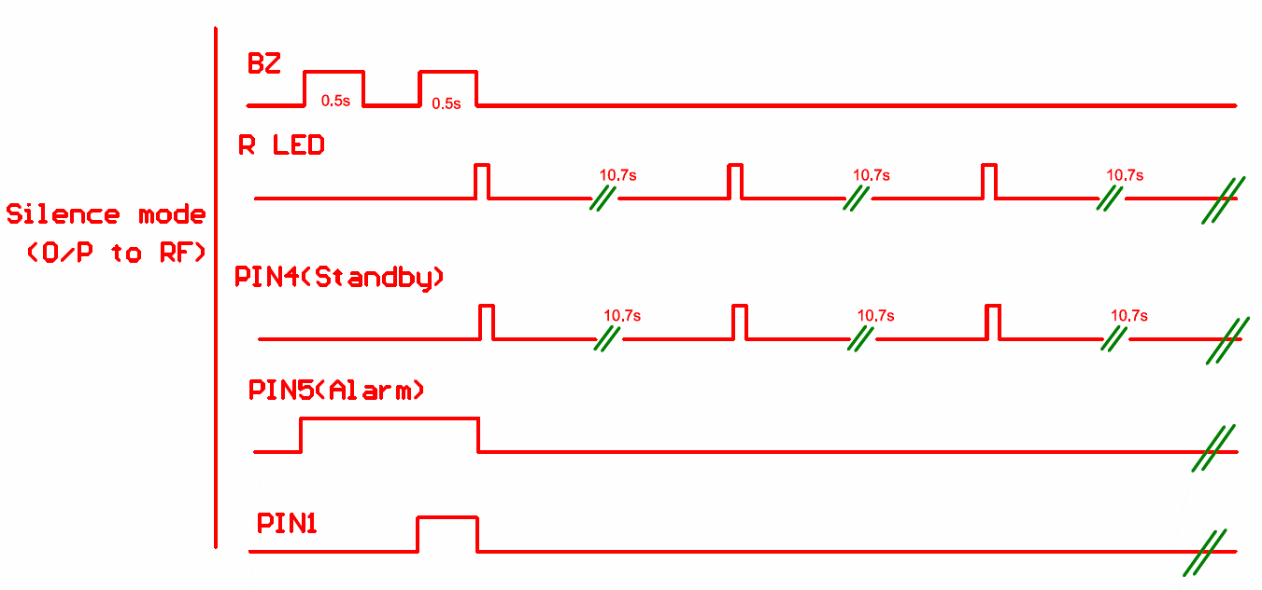

RF serial Setting Mode: If we press the test button with the battery will enter the RF serial setting mode, this time just the test button Standby PIN4
 |  | will high. The detector will not enter the alarm, RF module allows to receive serial signals from PIN4, Latch the bracket will
 |  | jump out of the RF set mode and begin normal mode

